Network
ITC Project

 |  |  |  |  |  | critical |  | critical
 |  |  |  | critical |  | 15 | 24 | 24 | 36
 |  |  |  | 5 | 15 | E | 9 | J | 12
 |  |  |  | B | 10 | 15 | 24 | 24 | 36
 |  |  |  | 5 | 15
 |  | critical |  |  |  |  |  | 24 | 26
 |  |  | 5 |  |  |  |  | G | 2
START |  | A | 5 |  |  | 15 | 22 | 34 | 36 | FINISH
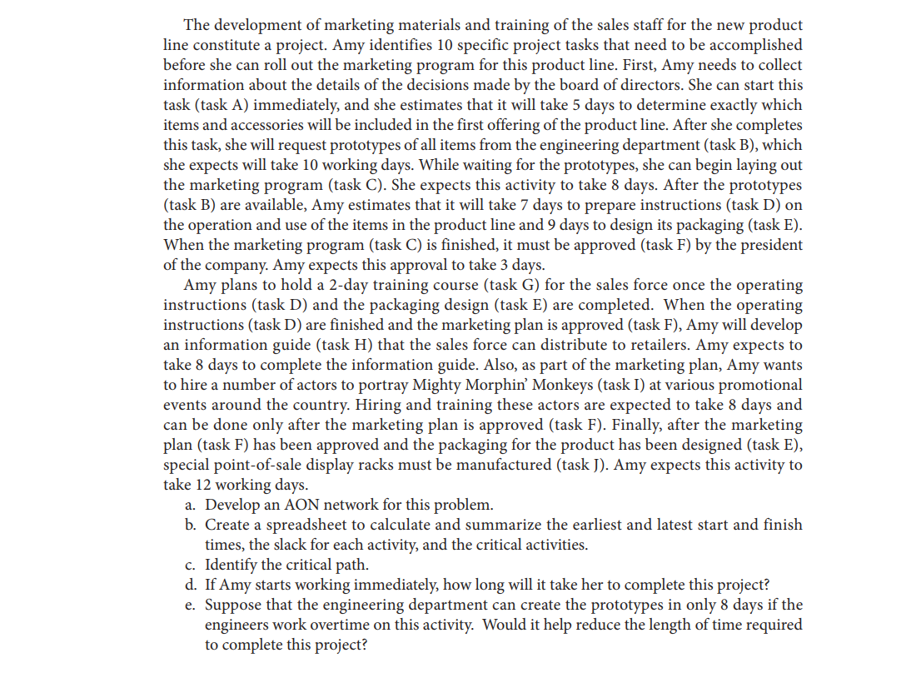
 |  | 0 | 5 |  |  | D | 7
 |  |  |  |  |  | 21 | 28 | 22 | 30
 |  |  |  |  |  |  |  | H | 8
 |  |  |  | 5 | 13 |  |  | 28 | 36
 |  |  |  | C | 8
Legend: |  |  |  | 13 | 21 | 13 | 16
EST | EFT |  |  |  |  | F | 3 | 16 | 24
Activ. | time |  |  |  |  | 21 | 24 | I | 8
LST | LFT |  |  |  |  |  |  | 28 | 36

Project - Question a,b,c,d
ITC project
Gantt Chart

Activity | Description | Predecessor | Time | EST | EFT | LST | LFT | Slack
A | Collect information about board decisions |  | 5 | 0 | 5 | #REF! | #REF! | #REF!
B | Request prototypes from engineering | A | 10 | #REF! | #REF! | #REF! | #REF! | #REF!
C | Lay out the marketing program | A | 8 | #REF! | #REF! | #REF! | #REF! | #REF!
D | Prepare operating instructions | B | 7 | #REF! | #REF! | #REF! | #REF! | #REF!
E | Design packaging | B | 9 | #REF! | #REF! | #REF! | #REF! | #REF!
F | Marketing program approval by the president | C | 3 | #REF! | #REF! | #REF! | #REF! | #REF!
G | Conduct a sales force training course | D, E | 2 | #REF! | #REF! | #REF! | #REF! | #REF!
H | Develop a sales information guide | D, F | 8 | #REF! | #REF! | #REF! | #REF! | #REF!
I | Hire and train promotional actors | F | 8 | #REF! | #REF! | #REF! | #REF! | #REF!
J | Manufacture point-of-sale display racks | E, F | 12 | #REF! | #REF! | #REF! | #REF! | #REF!
 |  | #REF!

Project - Question e
ITC project
Gantt Chart

Activity | Description | Predecessor | Time | EST | EFT | LST | LFT | Slack
A | Collect information about board decisions |  | 5 | 0 | 5 | #REF! | #REF! | #REF!
B | Request prototypes from engineering | A | 8 | #REF! | #REF! | #REF! | #REF! | #REF!
C | Lay out the marketing program | A | 8 | #REF! | #REF! | #REF! | #REF! | #REF!
D | Prepare operating instructions | B | 7 | #REF! | #REF! | #REF! | #REF! | #REF!
E | Design packaging | B | 9 | #REF! | #REF! | #REF! | #REF! | #REF!
F | Marketing program approval by the president | C | 3 | #REF! | #REF! | #REF! | #REF! | #REF!
G | Conduct a sales force training course | D, E | 2 | #REF! | #REF! | #REF! | #REF! | #REF!
H | Develop a sales information guide | D, F | 8 | #REF! | #REF! | #REF! | #REF! | #REF!
I | Hire and train promotional actors | F | 8 | #REF! | #REF! | #REF! | #REF! | #REF!
J | Manufacture point-of-sale display racks | E, F | 12 | #REF! | #REF! | #REF! | #REF! | #REF!
 |  | #REF!

